Table 1
IDTA 02023-0-9 Carbon Footprint November 2023
S P E C I F I C A T I O N
Submodel Template of the Asset Administration Shell

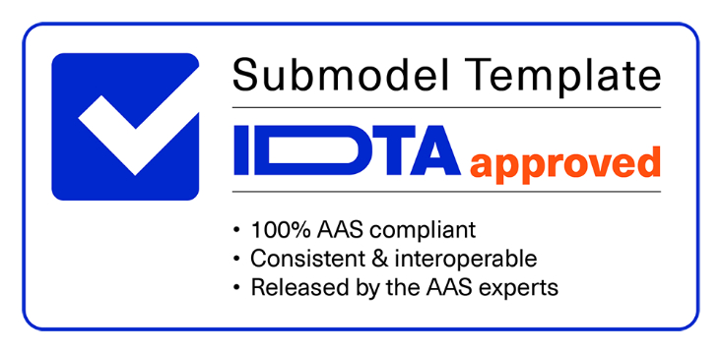

Imprint
Publisher Industrial Digital Twin Association Lyoner Strasse 18 60528 Frankfurt am Main Germany https://www.industrialdigitaltwin.org/ Version history
Date | Version | Comment
2023-11-28 | 0.9 | Pre-Release of Submodel Template
Contents
1 General 6 1.1 About this Document 6 1.2 Scope of the Submodel 6 1.3 Use cases, Requirements and Design Decisions 6 1.4 Relevant standards for the Submodel Template 9 2 Submodel Template Carbon Footprint (CF) 11 2.1 Approach 11 2.2 Carbon Footprint Submodel Template 12 2.3 SMC Product Carbon Footprint Calculation (PCF) 13 2.4 SMC Transport Carbon Footprint Calculation (TCF) 16 2.5 SMC Address 18 Annex A. Explanations on used table formats 19 1. General 19 2. Tables on Submodels and SubmodelElements 19 3. Abbreviations
Figures
Figure 1: Use Case 1 Illustration 7 Figure 2: Use Case 2 Illustration based on PCF@ControlCabinet, Source ZVEI 8 Figure 3: Stage model for carbon footprint use cases and the submodel scope 9 Figure 4: Submodel template overview 11
Tables
Table 1: Carbon Footprint Submodel Template 12 Table 2: SMC Product Carbon Footprint 13 Table 3: SMC Transport Carbon Footprint 16 Table 4: SMC Address 18

Table 2
1 General
1.1 About this Document This document is a part of a specification series. Each part specifies the contents of a Submodel template for the Asset Administration Shell (AAS). The AAS is described in [1], [2], [3] and [6]. First exemplary Submodel contents were described in [4], while the actual format of this document was derived by the "Administration Shell in Practice" [5]. The format aims to be very concise, giving only minimal necessary information for applying a Submodel template, while leaving deeper descriptions and specification of concepts, structures and mapping to the respective documents [1] to [6]. The target group of the specification are developers and editors of technical documentation and manufacturer information, which are describing assets in smart manufacturing by means of the AAS and therefore need to create a Submodel instance with a hierarchy of SubmodelElements. This document especially details on the question, which SubmodelElements with which semantic identification shall be used for this purpose.
1.2 Scope of the Submodel This Submodel template provides the means to exchange an asset`s Carbon Footprint (CF) between the
partners along a value chain. The aim | of this Submodel is to increase the interoperability between the
parties, who are interested in documenting, exchanging, evaluating, or optimizing the environmental footprint
of their assets. These parties can for example be manufacturers, users/consumers, or logistic partners. The
CF might be part of larger initiatives such as the Digital Product Passport (DPP) or the Product
Environmental Footprint. It is not the scope of this |  | Submodel template to substitute the relevant certificates.
Use cases with increasing complexity are described in the following section. The first version of this document will focus on Use Case 1 and 2 only. Additional use cases will be supported in future versions.
1.3 Use cases, Requirements and Design Decisions Use Case 1 “Communication of Carbon Footprints – limited machine readable” Based on the digital nameplate of an asset, users should be able to view relevant Carbon Footprint information by scanning the product and downloading further information (e.g., as a PDF or a link to a website) for detailed analysis. In addition to a few meta-information within the AAS related to the footprint, manufacturers can simply link the existing documentation (required by ISO 14026) for this purpose.
Figure 1: Use Case 1 Illustration
Use Case 2 “Passing CFs through the value chain for integrated calculation” For automated summation of the CF, additional meta-information must be available to classify the scope and quality of the footprint information. For this purpose, the ZVEI demonstrator PCF@ControlCabinet was used as a field-tested example of such a value network to derive requirements for the Submodel template. The object of this demonstrator was the integration of more than 100 components from more than 10 different manufacturers into a control cabinet. The objective was to dynamically calculate the Product Carbon Footprint (PCF) of the control cabinet based on the AAS, which exchange sustainability information across business partners in the value network. Different calculation methods and scopes had to be considered. More information about the demonstrator and the use cases can be found in the discussion paper [7].
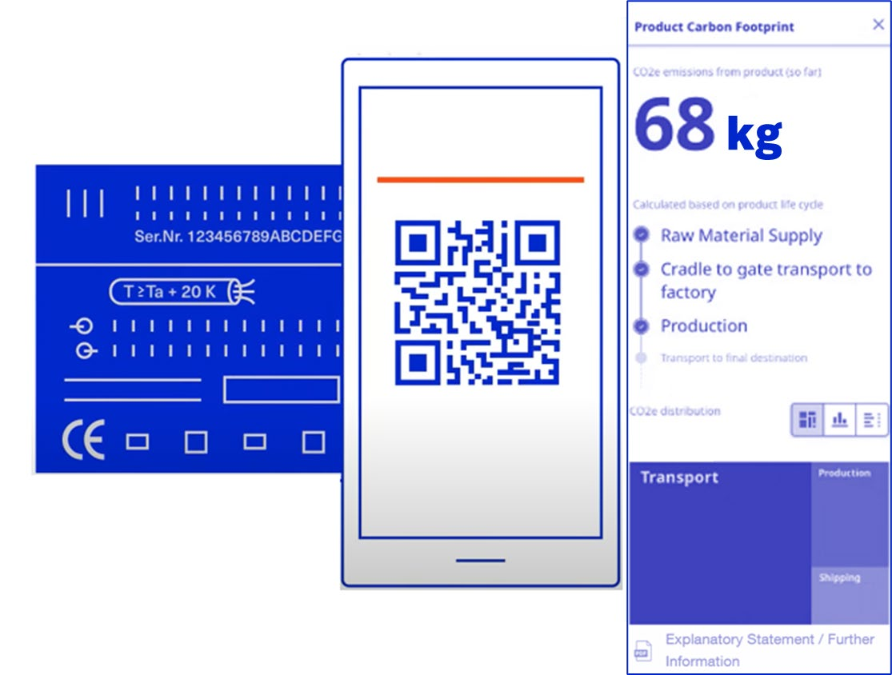
Figure 2: Use Case 2 Illustration based on PCF@ControlCabinet, Source ZVEI Design Decisions for Use Case 1 and Use Case 2 Different standards and proprietary methods for calculating PCF values exist with varying complexity and different approximation assumptions. Sometimes the overall PCF is of interest (“from cradle to grave”) and sometimes only the value for certain lifecycle phases. Also depending on the use case certain effects need to be included or excluded from the calculation. Therefore, the Submodel template allows to provide multiple PCF values using different calculating methods and assumptions. The basic design of the Submodel template is therefore that an unlimited number of SubmodelElementCollections (SMC) can be listed. Thereby, each SMC can address the carbon footprint using a different standard, calculation method or assumption. This specification will list a growing number of supported standards. In addition to general standards for life cycle assessments (e.g., ISO 14044) and footprint calculations (e.g., ISO 14067 or Greenhouse Gas Protocol, ...), other standards are also included in the carbon footprint calculation and communication. However, these standards do not contain any concrete specifications on how exactly the PCF is to be determined for individual products or transport routes. In the lack of such rules, the CFs of the same products from different companies are not yet fully comparable. IDTA supports the introduction of product category rules for the calculation in various industries to enable the same basis for the calculation an thus a comparability and standardized description of the products. Therefore, the working group was guided by a step-by-step model to develop a first specification in order to integrate future levels of detail and industry-, and product-specific requirements (Figure 3).
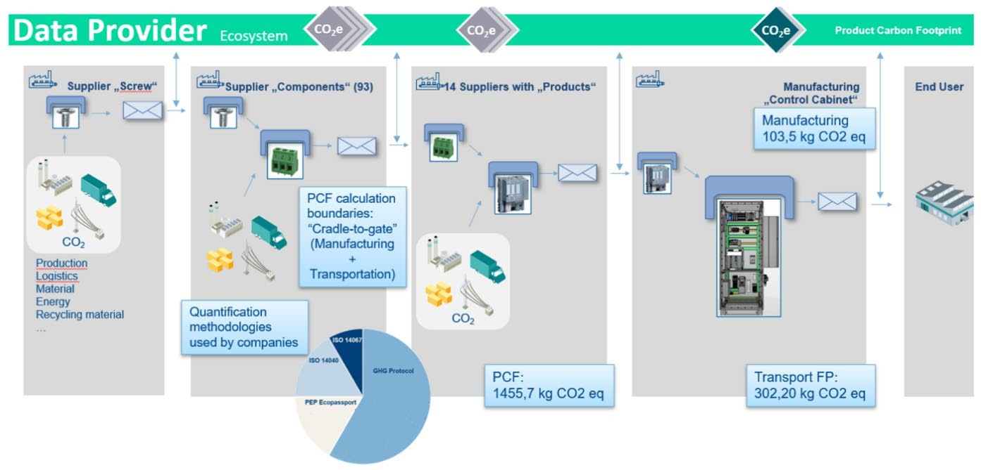
Figure 3: Stage model for carbon footprint use cases and the Submodel scope
1.4 Relevant standards for the Submodel Template Due to the large number of standards, some of which are being developed in parallel, this is only a selection of specifications that have been reviewed. Close coordination, as shown in Figure 3, is the aim within this working group.
ECLASS ECLASS is a classification system for products and services maintained by the industry consortium ECLASS e.V. It supports the digital exchange of product descriptions and service descriptions, in the form of standardized data formats based on IEC 61360. As of ECLASS Release 13.0 a set of property definitions for PCF modelling is provided. As of ECLASS Release 14.0 the modelling was adapted such that these properties are part of a larger set of environmental properties.
ISO 14067 - Greenhouse gases – Carbon footprint of products This document specifies principles, requirements and guidelines for the quantification and reporting of the carbon footprint of a product, in a manner consistent with the standards on life cycle assessment (LCA). Requirements and guidelines for the quantification of a partial CF are also specified. This document is applicable to CF studies, the results of which provide the basis for different applications.
ISO 14040, 14044 - Environmental management – Life cycle assessment These documents describe requirements, guidelines, principles and frameworks for life cycle assessment (LCA) including: definition of the goal and scope of the LCA, the life cycle inventory analysis (LCI) phase, the life cycle impact assessment (LCIA) phase, the life cycle interpretation phase, reporting and critical review of the LCA, limitations of the LCA, the relationship between the LCA phases, and conditions for use of value choices and optional elements.
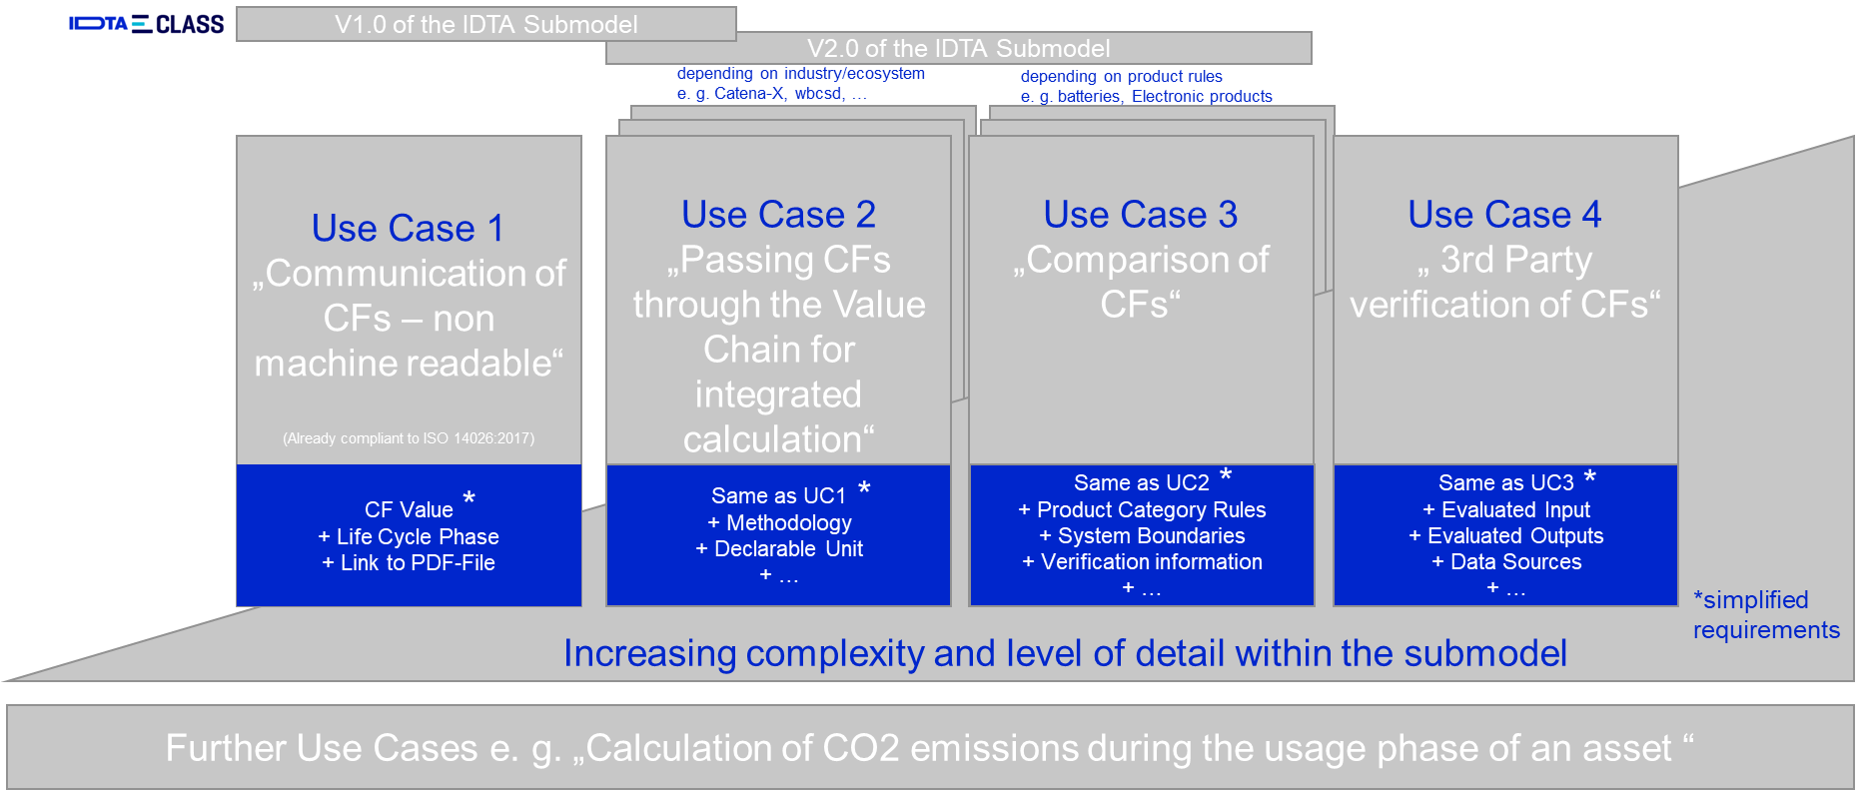
EN 15804 - Building Sustainability – Environmental Product Declarations – Basic Rules for the Product Category of Building Products The standard ensures that all Environmental Product Declarations (EPDs) for building products, building services, and building processes are derived, verified, and represented in a uniform manner. It stipulates the fundamental product category rules.
EN 16258 - Methodology for calculation and declaration of energy consumption and GHG emissions of transport services (freight and passengers) This European Standard establishes a common methodology for the calculation and declaration of energy consumption and greenhouse gas (GHG) emissions related to any transport service (of freight, passengers or both).
IEC TS 63058 - Switchgear and controlgear and their assemblies for low voltage – Environmental aspects This standard provides guidance to manufacturers of low-voltage switchgear and controlgear and their assemblies in evaluating and improving the environmental impact of their products, and in enabling effective communication using common references for environmental information throughout the supply chain.
GHG Protocol - Greenhouse Gas Protocol GHG Protocol establishes comprehensive global standardized frameworks to measure and manage GHG emissions from private and public sector operations, value chains and mitigation actions.
PEP Ecopassport - Product Environmental Profile Ecopassport The mission of the non-profit P.E.P. Association is to develop internationally the Environmental declaration Program PEP Ecopassport® concerning electrical, electronic and HVAC (heating, ventilation, air- conditioning, refrigeration) products. The Ecopassport provides a reference framework in compliance with the ISO 14025 and ISO 14040 standards.
World Business Council for Sustainable Development The World Business Council for Sustainable Development (WBCSD) is a community of over 200 sustainable businesses working collectively to accelerate the system transformations needed for a net-zero, nature positive, and more equitable future. Among others the WBCSD creates technical specifications to enable the exchange of standardized GHG data at product level across interoperable technology solutions.
Catena-X Catena-X is an integrated, collaborative, open data ecosystem for the automotive industry. It connects all players to end-to-end value chains. As part of its standardization activities a semantic data model for the PCF has been published as CX - 0026 and can be found at https://catena-x.net/de/standard-library.
2 Submodel Template Carbon Footprint (CF)
2.1 Approach The basic design of the Submodel template is that an unlimited number of SubmodelElementCollections (SMC) can be listed. Thereby, each SMC can address the carbon footprint using a different standard, calculation method or assumption. This pre-release version v0.9 of the Submodel specification focusses on the model based on ECLASS Release v13.0. The ECLASS model distinguishes between the Product Carbon Footprint (PCF) and the Transport Carbon Footprint (TCF) calculation. It currently supports EN 15804, ISO 14040, ISO 14044, ISO 14067, IEC TS 63058, GHG Protocol, PEP Ecopassport® for the PCF and EN 16258 for the TCF. Further planned versions of the Submodel are shown in Figure 3. The structure and properties of the model are based on the ECLASS block CarbonFootprint (0173-1#01-AHE712#001). However, the block’s IRDI is not used in this Submodel template, because of the introduction of the additional property “ExplanatoryStatement”. The general structure of the Submodel is given in Figure 4.
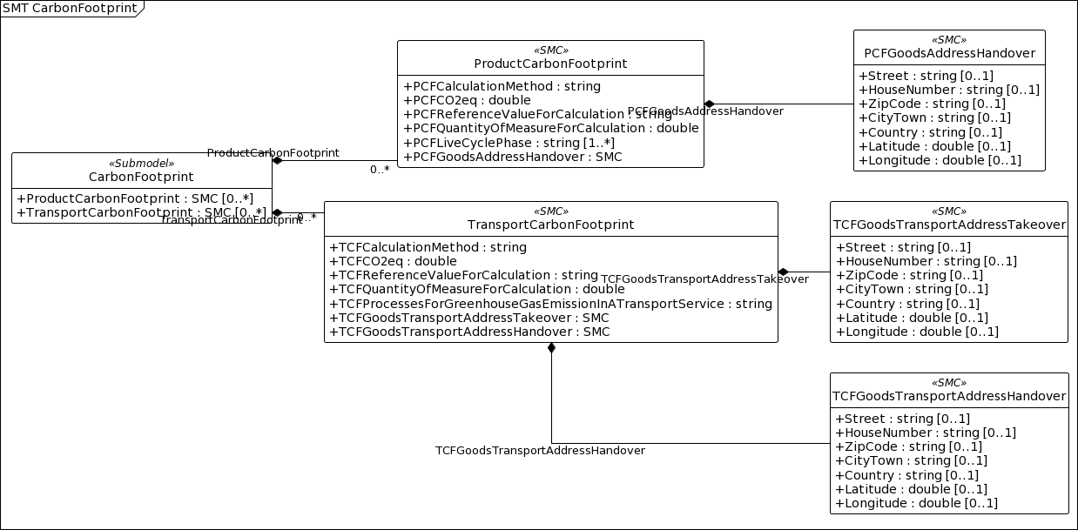
Figure 4: Submodel template overview

Important: This version is a pre-release. It can and should be used as a common basis for demonstrators, proof-of- concepts, trainings, etc. It should not be used productively. The upcoming release version v1.0 is expected to be different and incompatible to this pre-release. This submodel template specification v0.9 is simple to use and contains the major properties relevant for communicating a carbon footprint. However, the topic of modelling the environmental footprint is still a moving target in the relevant standardisation organizations. A lot has happened since the work on this specification has started and the upcoming version v1.0 will reflect the newest developments.

